Instructions
Change Expenditure by Month and Initial Balance in Grey Cells.
Change Expenditure by Month and Initial Balance in Grey Cells.
Uncertain Future Tax Revenues are drawn from the Library tab, which is based on disguised data generated from the forecasting routine of the City of Colorado Springs, CO.
Surplus-Deficit.xlsx
A SIPmath™ Model from ProbabilityManagement.org

Scroll through revenue scenarios here.
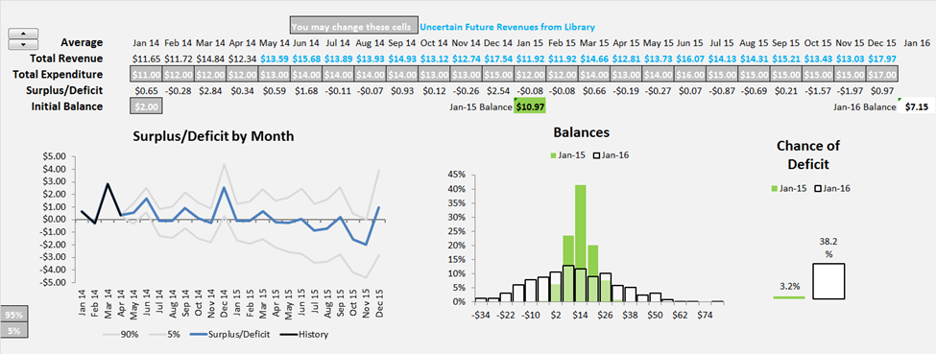

Change Percentiles to Display here.

Chance of deficit in Jan. 2015 and Jan 2016.
Distribution of Balances for Jan. 2015 and Jan 2016.
Copyright © 2013 ProbabilityManagement.org
All Rights Reserved

Dashboard
 | A SIPmath™ Model from ProbabilityManagement.org
 |  |  |  |  |  |  |  | You may change white cells |  |  |  | Uncertain Future Revenues from Library
 | Average |  | Jan 14 | Feb 14 | Mar 14 | Apr 14 | May 14 | Jun 14 | Jul 14 | Aug 14 | Sep 14 | Oct 14 | Nov 14 | Dec 14 | Jan 15 | Feb 15 | Mar 15 | Apr 15 | May 15 | Jun 15 | Jul 15 | Aug 15 | Sep 15 | Oct 15 | Nov 15 | Dec 15 | Jan 16
 | Total Revenue |  | $11.65 | $11.72 | $14.84 | $12.34 | $13.60 | $15.66 | $13.92 | $13.96 | $14.93 | $13.15 | $12.76 | $17.60 | $11.95 | $11.96 | $14.72 | $12.86 | $13.80 | $16.11 | $14.19 | $14.33 | $15.27 | $13.47 | $13.09 | $18.04
 | Total Expenditure |  | $11.00 | $12.00 | $12.00 | $12.00 | $13.00 | $14.00 | $14.00 | $14.00 | $14.00 | $13.00 | $13.00 | $15.00 | $12.00 | $12.00 | $14.00 | $13.00 | $14.00 | $16.00 | $15.00 | $15.00 | $15.00 | $15.00 | $15.00 | $17.00
 | Surplus/Deficit |  | $0.65 | -$0.28 | $2.84 | $0.34 | $0.60 | $1.66 | -$0.08 | -$0.04 | $0.93 | $0.15 | -$0.24 | $2.60 | -$0.05 | -$0.04 | $0.72 | -$0.14 | -$0.20 | $0.11 | -$0.81 | -$0.67 | $0.27 | -$1.53 | -$1.91 | $1.04
 | Initial Balance |  | $2.00 |  |  |  |  |  |  |  |  |  |  | Jan-2015 Balance | $11.13 |  |  |  |  |  |  |  |  |  |  | Jan-2016 Balance | $7.93
Surplus/Deficit by Month
 | 95% | 5% | Surplus/Deficit | History
Jan 14 | 0.653938 | 0.653938 | 0.653938 | 0.653938
Feb 14 | -0.2784348 | -0.2784348 | -0.2784348 | -0.2784348
Mar 14 | 2.8414344 | 2.8414344 | 2.8414344 | 2.8414344
Apr 14 | 0.3369144 | 0.3369144 | 0.3369144 | 0.3369144
May 14 | 1.5032020696 | -0.29241108628 | 0.6022100938
Jun 14 | 2.7761555625 | 0.60719870838 | 1.657751482
Jul 14 | 1.2091611945 | -1.2230365894 | -0.084327403841
Aug 14 | 1.2137846443 | -1.3440313067 | -0.039499217843
Sep 14 | 2.4252582964 | -0.64689856178 | 0.93210042702
Oct 14 | 1.7124665896 | -1.398286477 | 0.14557231895
Nov 14 | 1.3360129239 | -1.7961222184 | -0.24147297287
Dec 14 | 5.0277071607 | 0.34460617014 | 2.6031586604
Jan 15 | 1.6282349253 | -1.6660027829 | -0.046216757303
Feb 15 | 1.7989692696 | -1.8326377267 | -0.040719150937
Mar 15 | 2.9767709458 | -1.479965246 | 0.71752941395
Apr 15 | 1.9188750629 | -2.1311236914 | -0.13812645767
May 15 | 2.130286832 | -2.4803638276 | -0.20075176834
Jun 15 | 3.0196025677 | -2.6623499527 | 0.1115571167
Jul 15 | 1.7876671498 | -3.3294993027 | -0.80864482142
Aug 15 | 1.9590822265 | -3.2166591355 | -0.66876605438
Sep 15 | 3.240676246 | -2.6572805786 | 0.27476373762
Oct 15 | 1.127981529 | -4.0947370143 | -1.5335996407
Nov 15 | 0.75012677769 | -4.5089062443 | -1.9135408498
Dec 15 | 4.7268525966 | -2.5619637876 | 1.0433052863
Balances
 | Jan-2015 | Jan-2016
-$34 | 0 | 0.003
-$28 | 0 | 0.007
-$22 | 0 | 0.016
-$16 | 0 | 0.025
-$10 | 0 | 0.063
-$4 | 0.004 | 0.075
$2 | 0.056 | 0.099
$8 | 0.232 | 0.128
$14 | 0.415 | 0.135
$20 | 0.216 | 0.111
$26 | 0.07 | 0.12
$32 | 0.007 | 0.073
$38 | 0 | 0.06
$44 | 0 | 0.041
$50 | 0 | 0.02
$56 | 0 | 0.019
$62 | 0 | 0.002
$68 | 0 | 0.002
$74 | 0 | 0
$80 | 0 | 0.001
Chance of Deficit
 | Jan-2015 | Jan-2016
 | 2.6% | 36.3%

95%
5%

 | Copyright © 2013 ProbabilityManagement.org
 | All Rights Reserved

 | 0 | 1001

